Sheet1
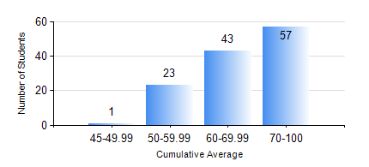
 |  |  | KWAME NKRUMAH UNIVERSITY OF SCIENCE AND TECHNOLOGY, KUMASI Department of Chemical Engineering

 |  |  | BSC. PETROCHEMICAL ENG.

 |  |  | COMPREHENSIVE RECORD OF EXAMINATION RESULTS

 |  |  | RESULTS OF YEAR 1 SECOND SEMESTER, 2020/2021 ACADEMIC YEAR

 | Sn | Course Code |  | Course Name | Credit Hours | Min. Mark | Max. Mark | Avg. Mark | Std. Dev. | No. Passed | No. Trailed | No. (Df) | No. (I) | No. (I*) | No. Tagged(I,I*,Df) | Total
 | 1. | CHE 156 |  | PHYSICAL CHEMISTRY FOR ENGINEERS | 2 | 23 | 94 | 69 | 12.98 | 122 | 2 | 0 | 0 | 0 | 0 | 124
 | 2. | EE 152 |  | BASIC ELECTRONICS | 2 | 24 | 92 | 67 | 10.37 | 123 | 1 | 0 | 0 | 0 | 0 | 124
 | 3. | ENGL 158 |  | COMMUNICATION SKILLS II | 2 | 18 | 78 | 59 | 7.23 | 123 | 1 | 0 | 0 | 0 | 0 | 124
 | 4. | MATH 152 |  | CALCULUS WITH ANALYSIS | 4 | 20 | 96 | 61 | 14.99 | 117 | 7 | 0 | 0 | 0 | 0 | 124
 | 5. | ME 162 |  | BASIC MECHANICS | 3 | 16 | 92 | 70 | 14.65 | 122 | 2 | 0 | 0 | 0 | 0 | 124
 | 6. | PCE 158 |  | INTRODUCTION TO INFORMATION TECHNOLOGY | 2 | 22 | 80 | 65 | 7.81 | 123 | 1 | 0 | 0 | 0 | 0 | 124
 | 7. | PHY 170 |  | GENERAL PHYSICS | 3 | 20 | 85 | 64 | 11.02 | 123 | 1 | 0 | 0 | 0 | 0 | 124

